Dashboard
Dashboard

 | Actual | Max | Target
JAN | 11,588 | 1211.6 | 10,000
FEB | 9,189 | 3610.6 | 10,000
MAR | 8,001 | 4798.6 | 10,000
APR | 9,736 | 3063.6 | 10,000
MAI | 8,686 | 4113.6 | 10,000
JUN | 8,560 | 4239.6 | 10,000
JUL | 11,611 | 1188.6 | 10,000
AUG | 10,576 | 2223.6 | 10,000
SEP | 10,386 | 2413.6 | 10,000
OCT | 10,710 | 2089.6 | 10,000
NOV | 11,636 | 1163.6 | 10,000
DEC | 10,253 | 2546.6 | 10,000
 | Actual | Max | Target
JAN | 8,104 | 5072.9 | 10,000
FEB | 8,141 | 5035.9 | 10,000
MAR | 10,748 | 2428.9 | 10,000
APR | 11,979 | 1197.9 | 10,000
MAI | 8,003 | 5173.9 | 10,000
JUN | 11,765 | 1411.9 | 10,000
JUL | 10,500 | 2676.9 | 10,000
AUG | 11,295 | 1881.9 | 10,000
SEP | 9,952 | 3224.9 | 10,000
OCT | 9,626 | 3550.9 | 10,000
NOV | 8,964 | 4212.9 | 10,000
DEC | 8,563 | 4613.9 | 10,000
Indicator 1 | Indicator 2
 | 100.8%
 | 0.0%
 | 98.0%
 | 2.0%

100,8%
98,0%

 | Actual | Max | Target
JAN | 9,764 | 3396.4 | 10,000
FEB | 11,245 | 1915.4 | 10,000
MAR | 9,696 | 3464.4 | 10,000
APR | 9,374 | 3786.4 | 10,000
MAI | 9,533 | 3627.4 | 10,000
JUN | 8,531 | 4629.4 | 10,000
JUL | 8,781 | 4379.4 | 10,000
AUG | 9,892 | 3268.4 | 10,000
SEP | 9,882 | 3278.4 | 10,000
OCT | 11,964 | 1196.4 | 10,000
NOV | 8,883 | 4277.4 | 10,000
DEC | 10,023 | 3137.4 | 10,000
 | Actual | Max | Target
JAN | 8,276 | 4836 | 10,000
FEB | 8,863 | 4249 | 10,000
MAR | 8,021 | 5091 | 10,000
APR | 9,400 | 3712 | 10,000
MAI | 8,234 | 4878 | 10,000
JUN | 9,380 | 3732 | 10,000
JUL | 10,509 | 2603 | 10,000
AUG | 11,215 | 1897 | 10,000
SEP | 8,599 | 4513 | 10,000
OCT | 10,464 | 2648 | 10,000
NOV | 11,920 | 1192 | 10,000
DEC | 8,470 | 4642 | 10,000
Indicator 3 | Indicator 4
 | 98.0%
 | 2.0%
 | 94.5%
 | 5.5%

98,0%
94,5%

Go Premium
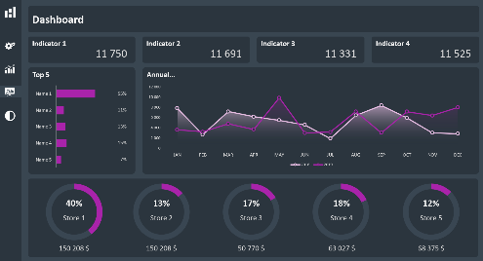
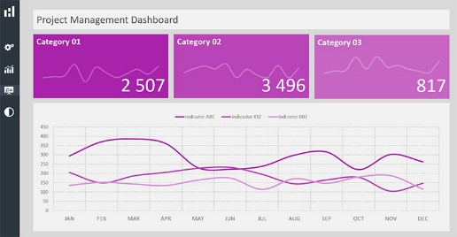
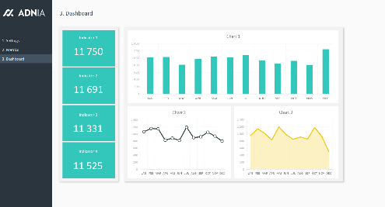
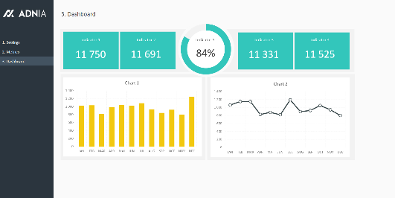
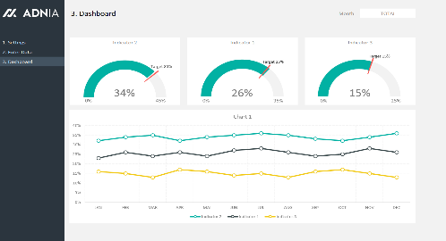
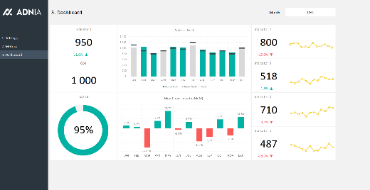
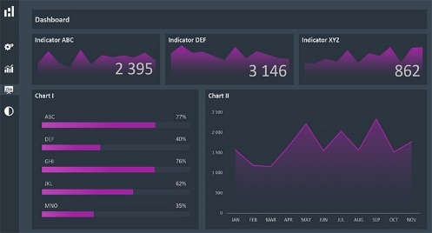
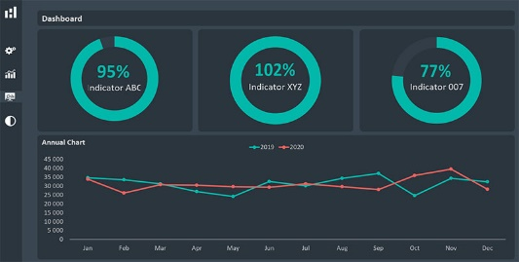
Save time, improve your business processes, and impress
your audience using our premium Excel templates.

See All Our Dashboard Templates

